Page 1 - Introduction
COMPANIES INCLUDED REPRESENT:
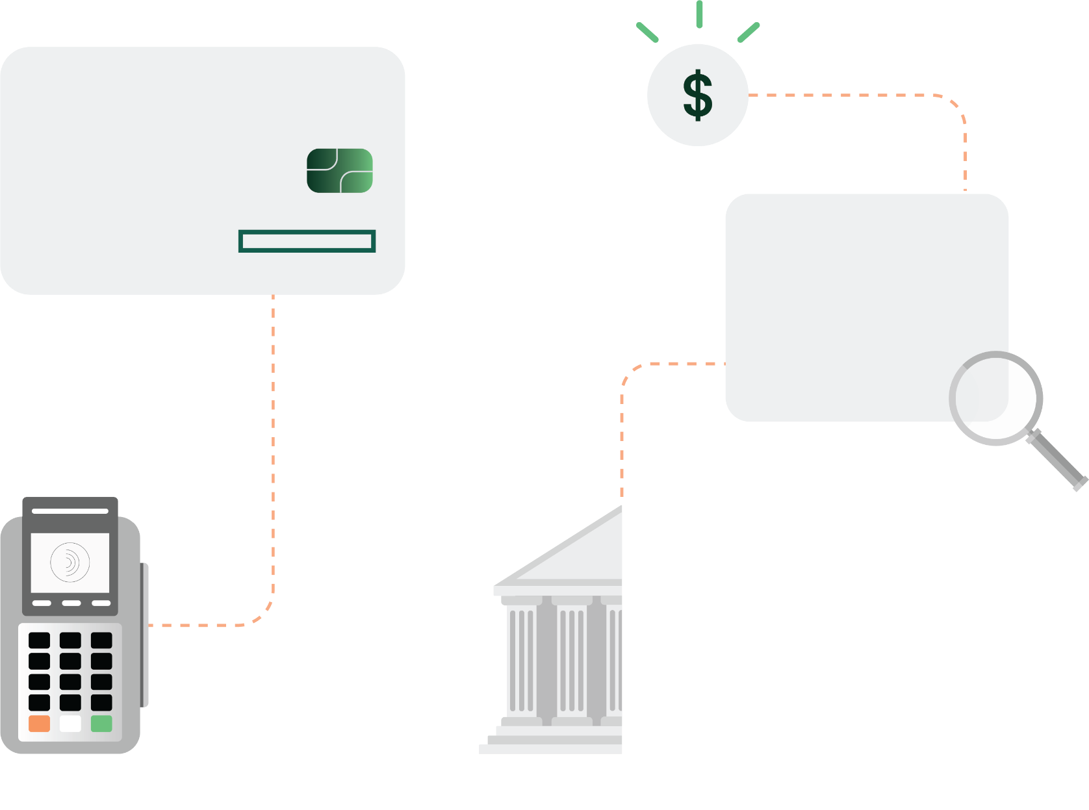
Total front and back-end processing relationships
940+
Total in-house processing platforms
55+
Trillion
Represented processing volume
$13.5+
550+
Sponsor bank relationship
11,700+
Data points
300+
Merchant acquirers

U.S. Merchant Acquirers
Directory of

PREVIEW

SPONSORED BY

This report is based upon information we consider reliable, but its accuracy and completeness cannot be guaranteed. Information provided is not all inclusive. All information listed is as available. For internal use only. Reproducing or allowing reproduction or dissemination of any portion of this report externally for any purpose is strictly prohibited and may violate the intellectual property rights of The Strawhecker Group. © Copyright 2026. The Strawhecker Group ®. All Rights Reserved. DISCLAIMER: The Strawhecker Group (TSG) is not necessarily endorsed or sponsored by any companies or their logos illustrated in this presentation, with the exception of the report’s sponsor, Deluxe. The trademarks shown are registered and their own. This document has not been prepared, approved, or licensed by any entity displayed, with the exception of the report’s sponsor, Deluxe. The Strawhecker Group maintains complete independence in its data collection, findings, and analysis. The data shown includes TSG's most recently available information, the majority of which was submitted directly by each provider.

Page 2 - Printable Snapshot
© Copyright 2026. The Strawhecker Group®. All Rights Reserved.
DIRECTORY OF U.S. MERCHANT ACQUIRERS
SPONSORED BY
Printable Snapshot
(Print Area is Preset)
Entities listed are marketed independently, regardless of ownership structure
Merchant Acquirer
Rank |  | Est. U.S. 2025 Total Processing Volume | Est. U.S. 2025 Total Transactions | Est. U.S. 2025 Total Number of Merchants
- | Deluxe | $41,580,000,000 | 272,250,000 | 146,500
1 | Additional Merchant Acquirer Here | Data Here As Available | Data Here As Available | Data Here As Available
2 | Additional Merchant Acquirer Here | Data Here As Available | Data Here As Available | Data Here As Available
3 | Additional Merchant Acquirer Here | Data Here As Available | Data Here As Available | Data Here As Available
PREVIEW
4 | Additional Merchant Acquirer Here | Data Here As Available | Data Here As Available | Data Here As Available
5 | Additional Merchant Acquirer Here | Data Here As Available | Data Here As Available | Data Here As Available
6 | Additional Merchant Acquirer Here | Data Here As Available | Data Here As Available | Data Here As Available
7 | Additional Merchant Acquirer Here | Data Here As Available | Data Here As Available | Data Here As Available
8 | Additional Merchant Acquirer Here | Data Here As Available | Data Here As Available | Data Here As Available
9 | Additional Merchant Acquirer Here | Data Here As Available | Data Here As Available | Data Here As Available
10 | Additional Merchant Acquirer Here | Data Here As Available | Data Here As Available | Data Here As Available
11 | Additional Merchant Acquirer Here | Data Here As Available | Data Here As Available | Data Here As Available
12 | Additional Merchant Acquirer Here | Data Here As Available | Data Here As Available | Data Here As Available
13 | Additional Merchant Acquirer Here | Data Here As Available | Data Here As Available | Data Here As Available
14 | Additional Merchant Acquirer Here | Data Here As Available | Data Here As Available | Data Here As Available
15 | Additional Merchant Acquirer Here | Data Here As Available | Data Here As Available | Data Here As Available
16 | Additional Merchant Acquirer Here | Data Here As Available | Data Here As Available | Data Here As Available
17 | Additional Merchant Acquirer Here | Data Here As Available | Data Here As Available | Data Here As Available
18 | Additional Merchant Acquirer Here | Data Here As Available | Data Here As Available | Data Here As Available
19 | Additional Merchant Acquirer Here | Data Here As Available | Data Here As Available | Data Here As Available
20 | Additional Merchant Acquirer Here | Data Here As Available | Data Here As Available | Data Here As Available
21 | Additional Merchant Acquirer Here | Data Here As Available | Data Here As Available | Data Here As Available
22 | Additional Merchant Acquirer Here | Data Here As Available | Data Here As Available | Data Here As Available
23 | Additional Merchant Acquirer Here | Data Here As Available | Data Here As Available | Data Here As Available
24 | Additional Merchant Acquirer Here | Data Here As Available | Data Here As Available | Data Here As Available
25 | Additional Merchant Acquirer Here | Data Here As Available | Data Here As Available | Data Here As Available
26 | Additional Merchant Acquirer Here | Data Here As Available | Data Here As Available | Data Here As Available
27 | Additional Merchant Acquirer Here | Data Here As Available | Data Here As Available | Data Here As Available
28 | Additional Merchant Acquirer Here | Data Here As Available | Data Here As Available | Data Here As Available
29 | Additional Merchant Acquirer Here | Data Here As Available | Data Here As Available | Data Here As Available
30 | Additional Merchant Acquirer Here | Data Here As Available | Data Here As Available | Data Here As Available
31 | Additional Merchant Acquirer Here | Data Here As Available | Data Here As Available | Data Here As Available
32 | Additional Merchant Acquirer Here | Data Here As Available | Data Here As Available | Data Here As Available
33 | Additional Merchant Acquirer Here | Data Here As Available | Data Here As Available | Data Here As Available
34 | Additional Merchant Acquirer Here | Data Here As Available | Data Here As Available | Data Here As Available
35 | Additional Merchant Acquirer Here | Data Here As Available | Data Here As Available | Data Here As Available
36 | Additional Merchant Acquirer Here | Data Here As Available | Data Here As Available | Data Here As Available
37 | Additional Merchant Acquirer Here | Data Here As Available | Data Here As Available | Data Here As Available
38 | Additional Merchant Acquirer Here | Data Here As Available | Data Here As Available | Data Here As Available
39 | Additional Merchant Acquirer Here | Data Here As Available | Data Here As Available | Data Here As Available
40 | Additional Merchant Acquirer Here | Data Here As Available | Data Here As Available | Data Here As Available
41 | Additional Merchant Acquirer Here | Data Here As Available | Data Here As Available | Data Here As Available
42 | Additional Merchant Acquirer Here | Data Here As Available | Data Here As Available | Data Here As Available
43 | Additional Merchant Acquirer Here | Data Here As Available | Data Here As Available | Data Here As Available
44 | Additional Merchant Acquirer Here | Data Here As Available | Data Here As Available | Data Here As Available
45 | Additional Merchant Acquirer Here | Data Here As Available | Data Here As Available | Data Here As Available
46 | Additional Merchant Acquirer Here | Data Here As Available | Data Here As Available | Data Here As Available
47 | Additional Merchant Acquirer Here | Data Here As Available | Data Here As Available | Data Here As Available
48 | Additional Merchant Acquirer Here | Data Here As Available | Data Here As Available | Data Here As Available
49 | Additional Merchant Acquirer Here | Data Here As Available | Data Here As Available | Data Here As Available
50 | Additional Merchant Acquirer Here | Data Here As Available | Data Here As Available | Data Here As Available
51 | Additional Merchant Acquirer Here | Data Here As Available | Data Here As Available | Data Here As Available
52 | Additional Merchant Acquirer Here | Data Here As Available | Data Here As Available | Data Here As Available
53 | Additional Merchant Acquirer Here | Data Here As Available | Data Here As Available | Data Here As Available
54 | Additional Merchant Acquirer Here | Data Here As Available | Data Here As Available | Data Here As Available
55 | Additional Merchant Acquirer Here | Data Here As Available | Data Here As Available | Data Here As Available
56 | Additional Merchant Acquirer Here | Data Here As Available | Data Here As Available | Data Here As Available
57 | Additional Merchant Acquirer Here | Data Here As Available | Data Here As Available | Data Here As Available
58 | Additional Merchant Acquirer Here | Data Here As Available | Data Here As Available | Data Here As Available
59 | Additional Merchant Acquirer Here | Data Here As Available | Data Here As Available | Data Here As Available
60 | Additional Merchant Acquirer Here | Data Here As Available | Data Here As Available | Data Here As Available
61 | Additional Merchant Acquirer Here | Data Here As Available | Data Here As Available | Data Here As Available
62 | Additional Merchant Acquirer Here | Data Here As Available | Data Here As Available | Data Here As Available
63 | Additional Merchant Acquirer Here | Data Here As Available | Data Here As Available | Data Here As Available
64 | Additional Merchant Acquirer Here | Data Here As Available | Data Here As Available | Data Here As Available
65 | Additional Merchant Acquirer Here | Data Here As Available | Data Here As Available | Data Here As Available
66 | Additional Merchant Acquirer Here | Data Here As Available | Data Here As Available | Data Here As Available
67 | Additional Merchant Acquirer Here | Data Here As Available | Data Here As Available | Data Here As Available
68 | Additional Merchant Acquirer Here | Data Here As Available | Data Here As Available | Data Here As Available
69 | Additional Merchant Acquirer Here | Data Here As Available | Data Here As Available | Data Here As Available
70 | Additional Merchant Acquirer Here | Data Here As Available | Data Here As Available | Data Here As Available
71 | Additional Merchant Acquirer Here | Data Here As Available | Data Here As Available | Data Here As Available
...

Page 3 - Full Directory
© Copyright 2026. The Strawhecker Group®. All Rights Reserved.
DIRECTORY OF U.S. MERCHANT ACQUIRERS
SPONSORED BY
Merchant Acquirer Name1, 2 | Corporate Structure3 | Est. 2025 U.S. Processing Volume Rank2 | Est. 2024 U.S. Processing Volume Rank3 | Est. U.S. 2025 Total Processing Volume3, 4 | Est. U.S. 2025 Total Transactions3, 4 | Est. U.S. 2025 Total Number of Merchants3, 4 | Est. Market Share of Total U.S. Card Volume Within Directory3, 4 | Sponsor Bank(s) (unhide here for additional sponsor bank listings)3
 |  |  |  |  |  |  |  | Sponsor Bank - 1
Deluxe | Public (Deluxe - NYSE: DLX) | - | 29 | $41,580,000,000 | 272,250,000 | 146,500 | - | Fifth Third Bank
Additional Merchant Acquirer Here | Data Here As Available | Data Here As Available | Data Here As Available | Data Here As Available | Data Here As Available | Data Here As Available | Data Here As Available | Data Here As Available
Additional Merchant Acquirer Here | Data Here As Available | Data Here As Available | Data Here As Available | Data Here As Available | Data Here As Available | Data Here As Available | Data Here As Available | Data Here As Available
Additional Merchant Acquirer Here | Data Here As Available | Data Here As Available | Data Here As Available | Data Here As Available | Data Here As Available | Data Here As Available | Data Here As Available | Data Here As Available
Additional Merchant Acquirer Here | Data Here As Available | Data Here As Available | Data Here As Available | Data Here As Available | Data Here As Available | Data Here As Available | Data Here As Available | Data Here As Available
Additional Merchant Acquirer Here | Data Here As Available | Data Here As Available | Data Here As Available | Data Here As Available | Data Here As Available | Data Here As Available | Data Here As Available | Data Here As Available
Additional Merchant Acquirer Here | Data Here As Available | Data Here As Available | Data Here As Available | Data Here As Available | Data Here As Available | Data Here As Available | Data Here As Available | Data Here As Available
Additional Merchant Acquirer Here | Data Here As Available | Data Here As Available | Data Here As Available | Data Here As Available | Data Here As Available | Data Here As Available | Data Here As Available | Data Here As Available
...

Page 4 - Top 10 Roll Up
© Copyright 2026. The Strawhecker Group®. All Rights Reserved.
DIRECTORY OF U.S. MERCHANT ACQUIRERS
SPONSORED BY
Est. 2025 U.S. Processing Volume Rank | Merchant Acquirer Name | Est. U.S. 2025 Total Processing Volume | Est. U.S. 2025 Total Transactions | Est. U.S. 2025 Total Number of Merchants | This table displays the largest 10 U.S. merchant acquiring entities, based on the combination of parent entities with separately marketed, but owned subsidiaries in the merchant acquiring space. For example Worldpay which is marketed separately to merchants by Global Payments, is incorporated in this table within Global Payments.
#1 |  | $2,767,400,000,000 | 53,327,700,000 | 3,405,600
#2 |  | $2,450,000,000,000 | 45,000,000,000 | 925,000
#3 |  | $2,198,800,000,000 | 44,460,700,000 | 1,271,000
#4 |  | $902,500,000,000 | 9,500,000,000 | 2,650,000
#5 |  | $675,000,000,000 | 9,380,000,000 | 315,000
#6 |  | $585,000,000,000 | 7,690,000,000
#7 |  | $442,000,000,000 | 3,600,000,000 | 758,000
#8 |  | $428,670,000,000 | 6,039,000,000 | 207,000
#9 |  | $316,100,000,000 | 10,500,000,000 | 23,000
...

About Deluxe
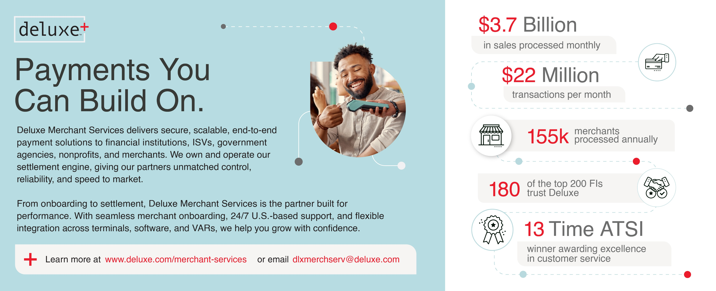

About TSG
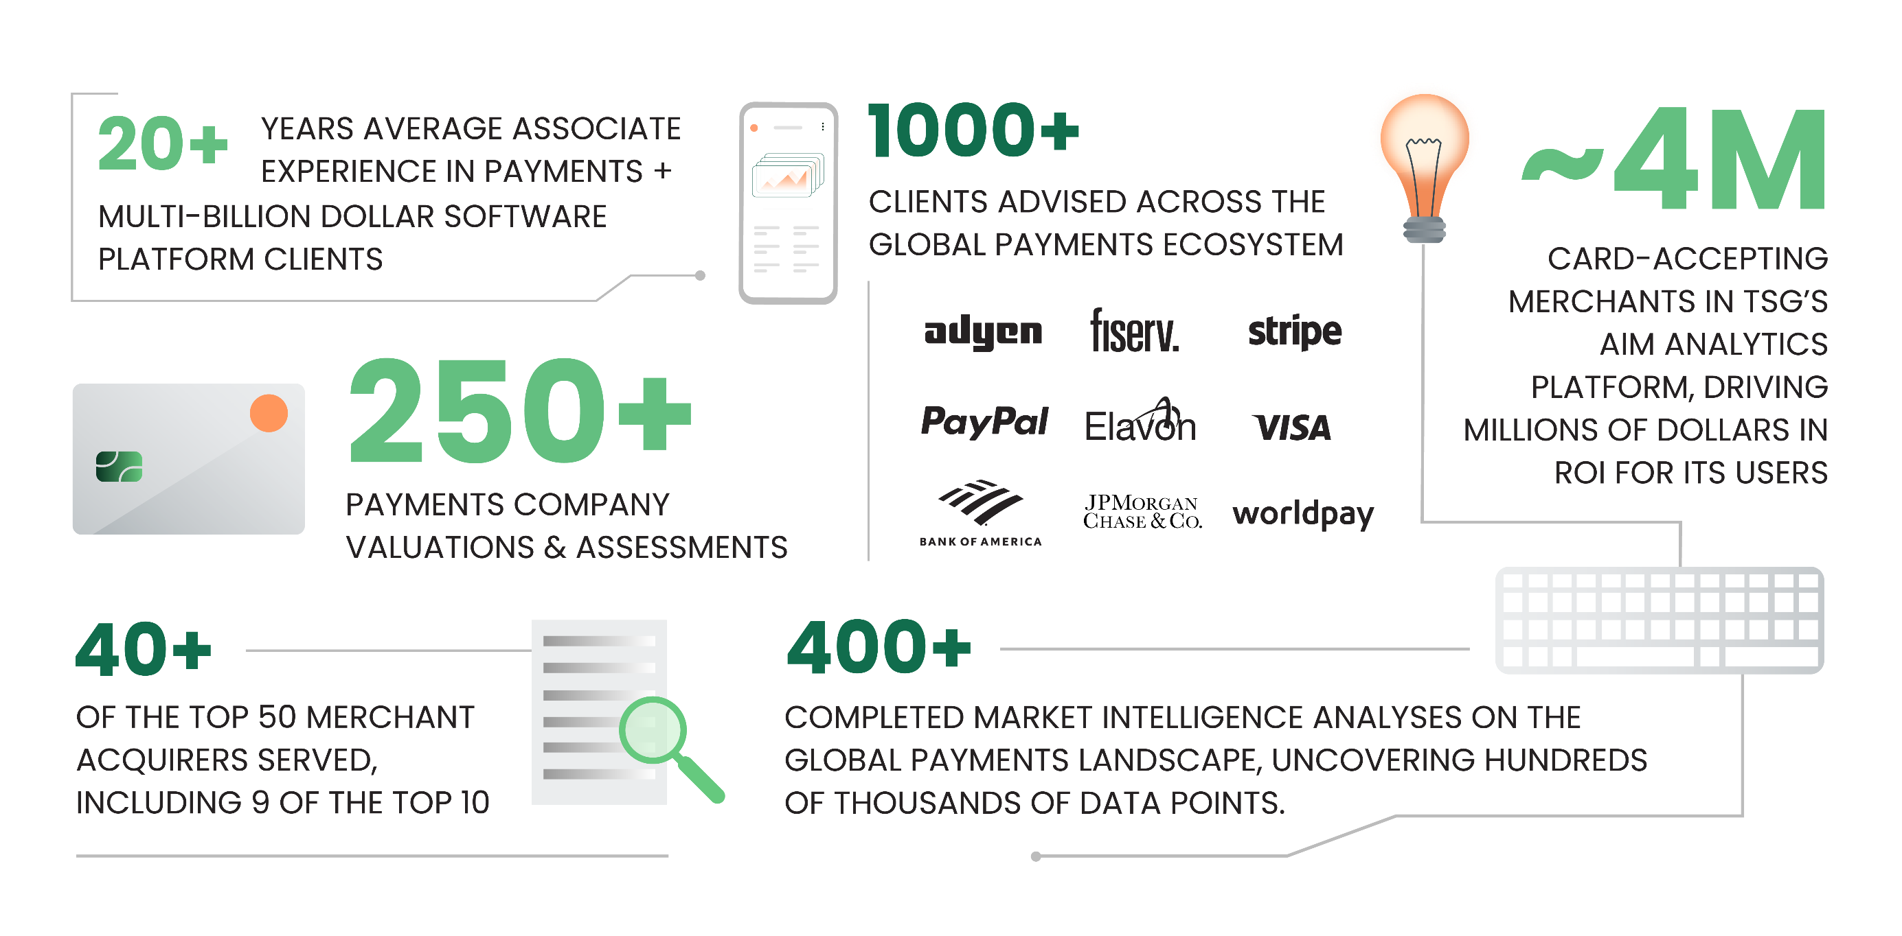

TSG (The Strawhecker Group) is a fast-growing analytics and consulting firm. The company serves the entire payments ecosystem, from fintech startups to Fortune 500 companies. The firm provides its clients with advisory services, research and analytics to help them plan and execute their strategic initiatives. Based in Omaha, a recognized payments industry hub, TSG is an established leader in this high-growth, ever-evolving space.

