Page 1 - Introduction
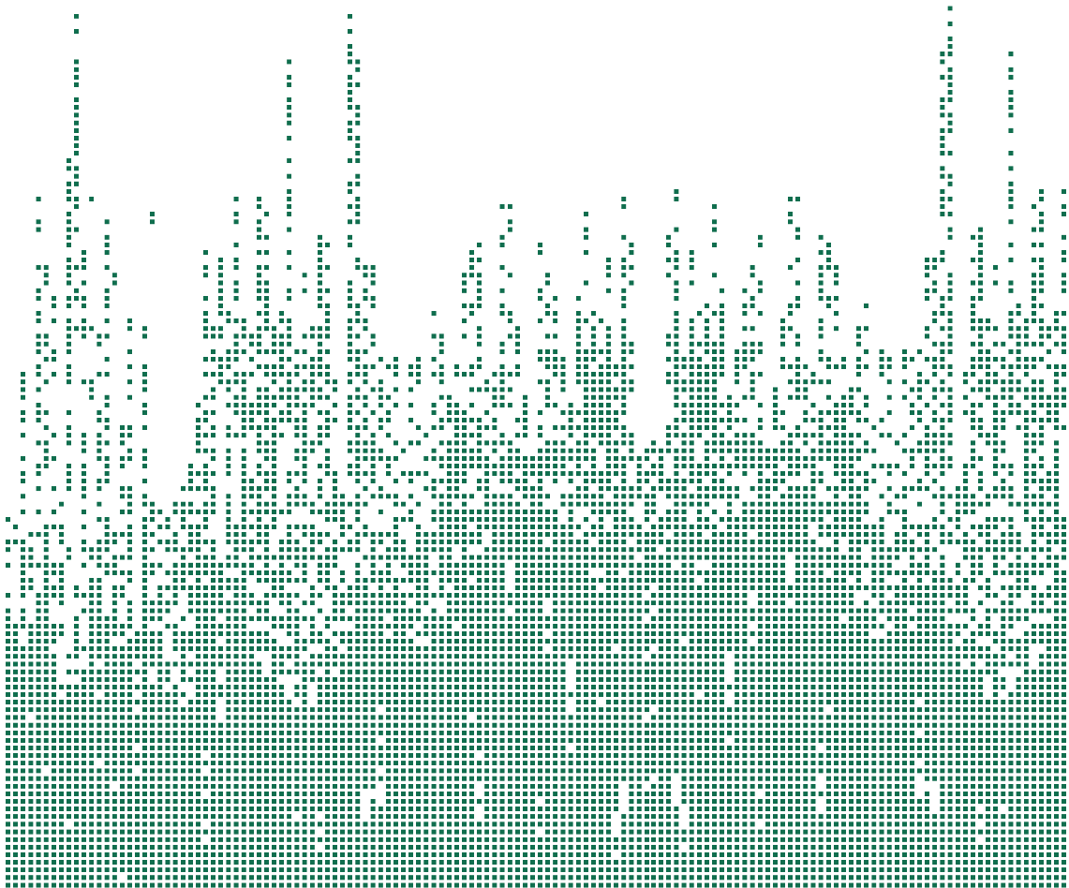
Sponsored by
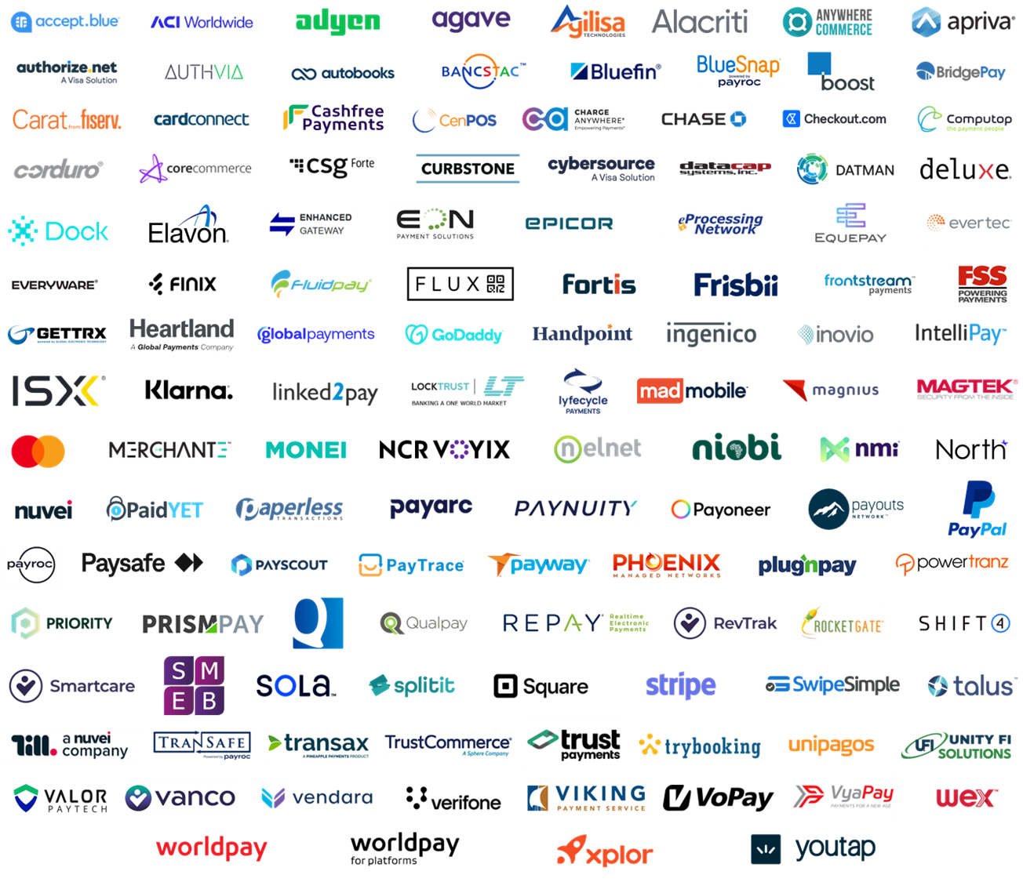

2025

Payment Gateway

Directory

PREVIEW

125+ Gateways| 7,000+ Data Points

This report is based upon information we consider reliable, but its accuracy and completeness cannot be guaranteed. Information provided is not all inclusive. All information listed is as available. For internal use only. Reproducing or allowing reproduction or dissemination of any portion of this report externally for any purpose is strictly prohibited and may violate the intellectual property rights of The Strawhecker Group. © Copyright 2025. The Strawhecker Group ®. All rights reserved. DISCLAIMER: The Strawhecker Group (TSG) is not necessarily endorsed or sponsored by any companies or their logos illustrated in this presentation, with the exception of the report’s sponsor, Deluxe. The trademarks shown are registered and their own. This document has not been prepared, approved, or licensed by any entity displayed, with the exception of the report’s sponsor, Deluxe. The Strawhecker Group maintains complete independence in its data collection, findings, and analysis. The data shown includes TSG's most recently available information, the majority of which was submitted directly by each provider

Page 2 - Full Directory
Excel comments have been added throughout the report to increase readability while retaining important additional information.
Hover over/select cells to read these additional comments.
2025 Payment Gateway Directory
© Copyright 2025. The Strawhecker Group ®. All Rights Reserved.
Sponsored by
PREVIEW
 |  |  |  |  |  |  |  |  | *All pricing data represents TSG's most recently available information that was obtained directly from each provider. Pricing data is intended to be representative in nature and is subject to change. Pricing may vary based on merchant characteristics or other factors. Mergers and acquisitions may impact pricing for specific gateway products.
 | General Information1 |  |  |  |  |  |  |  | Pricing* |  |  |  |  | Transaction Entry Mode |  |  | Vertical Market Penetration |  |  |  |  |  |  |  |  |  |  |  |  |  |  |  |  |  |  |  |  |  |  |  |  |  |  |  | Client Target Types |  |  |  |  |  |  |  | Infrastructure | Integration Models |  |  | API Details |  |  | Development Environments |  |  |  | Payment Types |  |  |  |  |  |  |  |  |  | Reporting & Boarding
Gateway Providers | Company Name | Product Name (& Payment Gateway Definition) | Product Website | Corporate Structure | Estimated Average Annual Gateway Dollar Volume | Estimated Average Annual Gateway Transaction Volume | Estimated Number of Gateway Merchants | Geographic Service Area | Gateway Setup Fee | Monthly Gateway Fee | Separate PCI Fee | Gateway Per Transaction Fee | Other Gateway Fee(s) | Card Present (Yes / No) | Card Not Present (Yes / No) | mCommerce (Yes / No) | Airline | B2B | Car Rental | Construction | Eating & Drinking Places | Education | Entertainment & Recreation | Field Services | Finance | Grocery | Healthcare | Higher Risk | Hospitality | Insurance | Manufacturing & Mining | Non-Profit | Personal Services | Petrol/C-Store | Professional Services | Public Administration / Government | Public Services & Interest Groups | Real Estate / Property Management | Retail | Subscriptions | Telecommunications | Transport | Utilities | Other Verticals | Banks/FIs | ISOs | ISVs | Merchant Acquirers | Merchants | Payment Facilitators | VARs | Other Client Targets | Compliant Visa Global Registry Service Provider (Yes / No) | Web Services (Yes / No) | Hosted Payment Page (Yes / No) | I=Frame / Redirect (Yes / No) | API Accessibility | API Website (If Applicable) | Additional API Related Information | Windows (Yes / No) | Unix/Linux (Yes / No) | Android (Yes / No) | iOS (Yes / No) | Branded Credit | PIN Debit (Yes / No) | EMV (Yes / No) | ACH (Yes / No) | PayPal Credit (Yes / No) | PayPal (Yes / No) | EBT (Yes / No) | Gift Card (Yes / No) | Cryptocurrency (Yes / No) | Buy Now Pay Later (Yes / No) | Reporting - Online / Portal (Yes / No) | Reporting - API Query (Yes / No) | Automated Boarding (Yes / No)
 | Deluxe | Deluxe Payment Platform | www.deluxe.com | Public | $10,500,000,000 | 7,600,000 | 42,000 | North America | None | $5 | None | $0.05 | None | Yes | Yes | Yes |  | P |  |  |  |  |  |  |  |  |  |  |  |  |  | P |  |  |  |  |  | P |  |  |  |  |  | Dealer Services, Software | P | P | P |  | P |  |  |  | Yes | Yes | Yes | Yes | Public | https://developer.deluxe.com/ | Not Applicable | Yes | Yes | Yes | Yes | Visa, Mastercard, Discover, American Express, JCB, Diners Club, UnionPay, Wex, Voyager | Yes | Yes | Yes | No | Yes | No | No | No | Yes | Yes | Yes | Yes
 | accept.blue | Preview | Preview | Preview | Preview | Preview | Preview | Preview | Preview | Preview | Preview | Preview | Preview | Preview | Preview | Preview | Preview | Preview | Preview | Preview | Preview | Preview | Preview | Preview | Preview | Preview | Preview | Preview | Preview | Preview | Preview | Preview | Preview | Preview | Preview | Preview | Preview | Preview | Preview | Preview | Preview | Preview | Preview | Preview | Preview | Preview | Preview | Preview | Preview | Preview | Preview | Preview | Preview | Preview | Preview | Preview | Preview | Preview | Preview | Preview | Preview | Preview | Preview | Preview | Preview | Preview | Preview | Preview | Preview | Preview | Preview | Preview | Preview | Preview | Preview | Preview
 | ACI Worldwide | Preview | Preview | Preview | Preview | Preview | Preview | Preview | Preview | Preview | Preview | Preview | Preview | Preview | Preview | Preview | Preview | Preview | Preview | Preview | Preview | Preview | Preview | Preview | Preview | Preview | Preview | Preview | Preview | Preview | Preview | Preview | Preview | Preview | Preview | Preview | Preview | Preview | Preview | Preview | Preview | Preview | Preview | Preview | Preview | Preview | Preview | Preview | Preview | Preview | Preview | Preview | Preview | Preview | Preview | Preview | Preview | Preview | Preview | Preview | Preview | Preview | Preview | Preview | Preview | Preview | Preview | Preview | Preview | Preview | Preview | Preview | Preview | Preview | Preview | Preview
 | Adyen | Preview | Preview | Preview | Preview | Preview | Preview | Preview | Preview | Preview | Preview | Preview | Preview | Preview | Preview | Preview | Preview | Preview | Preview | Preview | Preview | Preview | Preview | Preview | Preview | Preview | Preview | Preview | Preview | Preview | Preview | Preview | Preview | Preview | Preview | Preview | Preview | Preview | Preview | Preview | Preview | Preview | Preview | Preview | Preview | Preview | Preview | Preview | Preview | Preview | Preview | Preview | Preview | Preview | Preview | Preview | Preview | Preview | Preview | Preview | Preview | Preview | Preview | Preview | Preview | Preview | Preview | Preview | Preview | Preview | Preview | Preview | Preview | Preview | Preview | Preview
 | Agave Pay | Preview | Preview | Preview | Preview | Preview | Preview | Preview | Preview | Preview | Preview | Preview | Preview | Preview | Preview | Preview | Preview | Preview | Preview | Preview | Preview | Preview | Preview | Preview | Preview | Preview | Preview | Preview | Preview | Preview | Preview | Preview | Preview | Preview | Preview | Preview | Preview | Preview | Preview | Preview | Preview | Preview | Preview | Preview | Preview | Preview | Preview | Preview | Preview | Preview | Preview | Preview | Preview | Preview | Preview | Preview | Preview | Preview | Preview | Preview | Preview | Preview | Preview | Preview | Preview | Preview | Preview | Preview | Preview | Preview | Preview | Preview | Preview | Preview | Preview | Preview
 | Agilisa Technologies | Preview | Preview | Preview | Preview | Preview | Preview | Preview | Preview | Preview | Preview | Preview | Preview | Preview | Preview | Preview | Preview | Preview | Preview | Preview | Preview | Preview | Preview | Preview | Preview | Preview | Preview | Preview | Preview | Preview | Preview | Preview | Preview | Preview | Preview | Preview | Preview | Preview | Preview | Preview | Preview | Preview | Preview | Preview | Preview | Preview | Preview | Preview | Preview | Preview | Preview | Preview | Preview | Preview | Preview | Preview | Preview | Preview | Preview | Preview | Preview | Preview | Preview | Preview | Preview | Preview | Preview | Preview | Preview | Preview | Preview | Preview | Preview | Preview | Preview | Preview
 | Alacriti | Preview | Preview | Preview | Preview | Preview | Preview | Preview | Preview | Preview | Preview | Preview | Preview | Preview | Preview | Preview | Preview | Preview | Preview | Preview | Preview | Preview | Preview | Preview | Preview | Preview | Preview | Preview | Preview | Preview | Preview | Preview | Preview | Preview | Preview | Preview | Preview | Preview | Preview | Preview | Preview | Preview | Preview | Preview | Preview | Preview | Preview | Preview | Preview | Preview | Preview | Preview | Preview | Preview | Preview | Preview | Preview | Preview | Preview | Preview | Preview | Preview | Preview | Preview | Preview | Preview | Preview | Preview | Preview | Preview | Preview | Preview | Preview | Preview | Preview | Preview
 | Alacriti | Preview | Preview | Preview | Preview | Preview | Preview | Preview | Preview | Preview | Preview | Preview | Preview | Preview | Preview | Preview | Preview | Preview | Preview | Preview | Preview | Preview | Preview | Preview | Preview | Preview | Preview | Preview | Preview | Preview | Preview | Preview | Preview | Preview | Preview | Preview | Preview | Preview | Preview | Preview | Preview | Preview | Preview | Preview | Preview | Preview | Preview | Preview | Preview | Preview | Preview | Preview | Preview | Preview | Preview | Preview | Preview | Preview | Preview | Preview | Preview | Preview | Preview | Preview | Preview | Preview | Preview | Preview | Preview | Preview | Preview | Preview | Preview | Preview | Preview | Preview
 | AnywhereCommerce | Preview | Preview | Preview | Preview | Preview | Preview | Preview | Preview | Preview | Preview | Preview | Preview | Preview | Preview | Preview | Preview | Preview | Preview | Preview | Preview | Preview | Preview | Preview | Preview | Preview | Preview | Preview | Preview | Preview | Preview | Preview | Preview | Preview | Preview | Preview | Preview | Preview | Preview | Preview | Preview | Preview | Preview | Preview | Preview | Preview | Preview | Preview | Preview | Preview | Preview | Preview | Preview | Preview | Preview | Preview | Preview | Preview | Preview | Preview | Preview | Preview | Preview | Preview | Preview | Preview | Preview | Preview | Preview | Preview | Preview | Preview | Preview | Preview | Preview | Preview
 | Apriva | Preview | Preview | Preview | Preview | Preview | Preview | Preview | Preview | Preview | Preview | Preview | Preview | Preview | Preview | Preview | Preview | Preview | Preview | Preview | Preview | Preview | Preview | Preview | Preview | Preview | Preview | Preview | Preview | Preview | Preview | Preview | Preview | Preview | Preview | Preview | Preview | Preview | Preview | Preview | Preview | Preview | Preview | Preview | Preview | Preview | Preview | Preview | Preview | Preview | Preview | Preview | Preview | Preview | Preview | Preview | Preview | Preview | Preview | Preview | Preview | Preview | Preview | Preview | Preview | Preview | Preview | Preview | Preview | Preview | Preview | Preview | Preview | Preview | Preview | Preview
 | Authvia | Preview | Preview | Preview | Preview | Preview | Preview | Preview | Preview | Preview | Preview | Preview | Preview | Preview | Preview | Preview | Preview | Preview | Preview | Preview | Preview | Preview | Preview | Preview | Preview | Preview | Preview | Preview | Preview | Preview | Preview | Preview | Preview | Preview | Preview | Preview | Preview | Preview | Preview | Preview | Preview | Preview | Preview | Preview | Preview | Preview | Preview | Preview | Preview | Preview | Preview | Preview | Preview | Preview | Preview | Preview | Preview | Preview | Preview | Preview | Preview | Preview | Preview | Preview | Preview | Preview | Preview | Preview | Preview | Preview | Preview | Preview | Preview | Preview | Preview | Preview
 | Autobooks | Preview | Preview | Preview | Preview | Preview | Preview | Preview | Preview | Preview | Preview | Preview | Preview | Preview | Preview | Preview | Preview | Preview | Preview | Preview | Preview | Preview | Preview | Preview | Preview | Preview | Preview | Preview | Preview | Preview | Preview | Preview | Preview | Preview | Preview | Preview | Preview | Preview | Preview | Preview | Preview | Preview | Preview | Preview | Preview | Preview | Preview | Preview | Preview | Preview | Preview | Preview | Preview | Preview | Preview | Preview | Preview | Preview | Preview | Preview | Preview | Preview | Preview | Preview | Preview | Preview | Preview | Preview | Preview | Preview | Preview | Preview | Preview | Preview | Preview | Preview
 | Bancstac | Preview | Preview | Preview | Preview | Preview | Preview | Preview | Preview | Preview | Preview | Preview | Preview | Preview | Preview | Preview | Preview | Preview | Preview | Preview | Preview | Preview | Preview | Preview | Preview | Preview | Preview | Preview | Preview | Preview | Preview | Preview | Preview | Preview | Preview | Preview | Preview | Preview | Preview | Preview | Preview | Preview | Preview | Preview | Preview | Preview | Preview | Preview | Preview | Preview | Preview | Preview | Preview | Preview | Preview | Preview | Preview | Preview | Preview | Preview | Preview | Preview | Preview | Preview | Preview | Preview | Preview | Preview | Preview | Preview | Preview | Preview | Preview | Preview | Preview | Preview
 | Bluefin Payment Systems | Preview | Preview | Preview | Preview | Preview | Preview | Preview | Preview | Preview | Preview | Preview | Preview | Preview | Preview | Preview | Preview | Preview | Preview | Preview | Preview | Preview | Preview | Preview | Preview | Preview | Preview | Preview | Preview | Preview | Preview | Preview | Preview | Preview | Preview | Preview | Preview | Preview | Preview | Preview | Preview | Preview | Preview | Preview | Preview | Preview | Preview | Preview | Preview | Preview | Preview | Preview | Preview | Preview | Preview | Preview | Preview | Preview | Preview | Preview | Preview | Preview | Preview | Preview | Preview | Preview | Preview | Preview | Preview | Preview | Preview | Preview | Preview | Preview | Preview | Preview
 | BlueSnap | Preview | Preview | Preview | Preview | Preview | Preview | Preview | Preview | Preview | Preview | Preview | Preview | Preview | Preview | Preview | Preview | Preview | Preview | Preview | Preview | Preview | Preview | Preview | Preview | Preview | Preview | Preview | Preview | Preview | Preview | Preview | Preview | Preview | Preview | Preview | Preview | Preview | Preview | Preview | Preview | Preview | Preview | Preview | Preview | Preview | Preview | Preview | Preview | Preview | Preview | Preview | Preview | Preview | Preview | Preview | Preview | Preview | Preview | Preview | Preview | Preview | Preview | Preview | Preview | Preview | Preview | Preview | Preview | Preview | Preview | Preview | Preview | Preview | Preview | Preview
 | Boost Payment Solutions | Preview | Preview | Preview | Preview | Preview | Preview | Preview | Preview | Preview | Preview | Preview | Preview | Preview | Preview | Preview | Preview | Preview | Preview | Preview | Preview | Preview | Preview | Preview | Preview | Preview | Preview | Preview | Preview | Preview | Preview | Preview | Preview | Preview | Preview | Preview | Preview | Preview | Preview | Preview | Preview | Preview | Preview | Preview | Preview | Preview | Preview | Preview | Preview | Preview | Preview | Preview | Preview | Preview | Preview | Preview | Preview | Preview | Preview | Preview | Preview | Preview | Preview | Preview | Preview | Preview | Preview | Preview | Preview | Preview | Preview | Preview | Preview | Preview | Preview | Preview
 | BridgePay Network Solutions | Preview | Preview | Preview | Preview | Preview | Preview | Preview | Preview | Preview | Preview | Preview | Preview | Preview | Preview | Preview | Preview | Preview | Preview | Preview | Preview | Preview | Preview | Preview | Preview | Preview | Preview | Preview | Preview | Preview | Preview | Preview | Preview | Preview | Preview | Preview | Preview | Preview | Preview | Preview | Preview | Preview | Preview | Preview | Preview | Preview | Preview | Preview | Preview | Preview | Preview | Preview | Preview | Preview | Preview | Preview | Preview | Preview | Preview | Preview | Preview | Preview | Preview | Preview | Preview | Preview | Preview | Preview | Preview | Preview | Preview | Preview | Preview | Preview | Preview | Preview
 | CardFlight, Inc. | Preview | Preview | Preview | Preview | Preview | Preview | Preview | Preview | Preview | Preview | Preview | Preview | Preview | Preview | Preview | Preview | Preview | Preview | Preview | Preview | Preview | Preview | Preview | Preview | Preview | Preview | Preview | Preview | Preview | Preview | Preview | Preview | Preview | Preview | Preview | Preview | Preview | Preview | Preview | Preview | Preview | Preview | Preview | Preview | Preview | Preview | Preview | Preview | Preview | Preview | Preview | Preview | Preview | Preview | Preview | Preview | Preview | Preview | Preview | Preview | Preview | Preview | Preview | Preview | Preview | Preview | Preview | Preview | Preview | Preview | Preview | Preview | Preview | Preview | Preview
 | Cashfree Payments | Preview | Preview | Preview | Preview | Preview | Preview | Preview | Preview | Preview | Preview | Preview | Preview | Preview | Preview | Preview | Preview | Preview | Preview | Preview | Preview | Preview | Preview | Preview | Preview | Preview | Preview | Preview | Preview | Preview | Preview | Preview | Preview | Preview | Preview | Preview | Preview | Preview | Preview | Preview | Preview | Preview | Preview | Preview | Preview | Preview | Preview | Preview | Preview | Preview | Preview | Preview | Preview | Preview | Preview | Preview | Preview | Preview | Preview | Preview | Preview | Preview | Preview | Preview | Preview | Preview | Preview | Preview | Preview | Preview | Preview | Preview | Preview | Preview | Preview | Preview
 | CenPOS | Preview | Preview | Preview | Preview | Preview | Preview | Preview | Preview | Preview | Preview | Preview | Preview | Preview | Preview | Preview | Preview | Preview | Preview | Preview | Preview | Preview | Preview | Preview | Preview | Preview | Preview | Preview | Preview | Preview | Preview | Preview | Preview | Preview | Preview | Preview | Preview | Preview | Preview | Preview | Preview | Preview | Preview | Preview | Preview | Preview | Preview | Preview | Preview | Preview | Preview | Preview | Preview | Preview | Preview | Preview | Preview | Preview | Preview | Preview | Preview | Preview | Preview | Preview | Preview | Preview | Preview | Preview | Preview | Preview | Preview | Preview | Preview | Preview | Preview | Preview
 | CHARGE Anywhere | Preview | Preview | Preview | Preview | Preview | Preview | Preview | Preview | Preview | Preview | Preview | Preview | Preview | Preview | Preview | Preview | Preview | Preview | Preview | Preview | Preview | Preview | Preview | Preview | Preview | Preview | Preview | Preview | Preview | Preview | Preview | Preview | Preview | Preview | Preview | Preview | Preview | Preview | Preview | Preview | Preview | Preview | Preview | Preview | Preview | Preview | Preview | Preview | Preview | Preview | Preview | Preview | Preview | Preview | Preview | Preview | Preview | Preview | Preview | Preview | Preview | Preview | Preview | Preview | Preview | Preview | Preview | Preview | Preview | Preview | Preview | Preview | Preview | Preview | Preview
 | Checkout.com | Preview | Preview | Preview | Preview | Preview | Preview | Preview | Preview | Preview | Preview | Preview | Preview | Preview | Preview | Preview | Preview | Preview | Preview | Preview | Preview | Preview | Preview | Preview | Preview | Preview | Preview | Preview | Preview | Preview | Preview | Preview | Preview | Preview | Preview | Preview | Preview | Preview | Preview | Preview | Preview | Preview | Preview | Preview | Preview | Preview | Preview | Preview | Preview | Preview | Preview | Preview | Preview | Preview | Preview | Preview | Preview | Preview | Preview | Preview | Preview | Preview | Preview | Preview | Preview | Preview | Preview | Preview | Preview | Preview | Preview | Preview | Preview | Preview | Preview | Preview
 | Computop | Preview | Preview | Preview | Preview | Preview | Preview | Preview | Preview | Preview | Preview | Preview | Preview | Preview | Preview | Preview | Preview | Preview | Preview | Preview | Preview | Preview | Preview | Preview | Preview | Preview | Preview | Preview | Preview | Preview | Preview | Preview | Preview | Preview | Preview | Preview | Preview | Preview | Preview | Preview | Preview | Preview | Preview | Preview | Preview | Preview | Preview | Preview | Preview | Preview | Preview | Preview | Preview | Preview | Preview | Preview | Preview | Preview | Preview | Preview | Preview | Preview | Preview | Preview | Preview | Preview | Preview | Preview | Preview | Preview | Preview | Preview | Preview | Preview | Preview | Preview
 | Convenient Payments, LLC dba IntelliPay | Preview | Preview | Preview | Preview | Preview | Preview | Preview | Preview | Preview | Preview | Preview | Preview | Preview | Preview | Preview | Preview | Preview | Preview | Preview | Preview | Preview | Preview | Preview | Preview | Preview | Preview | Preview | Preview | Preview | Preview | Preview | Preview | Preview | Preview | Preview | Preview | Preview | Preview | Preview | Preview | Preview | Preview | Preview | Preview | Preview | Preview | Preview | Preview | Preview | Preview | Preview | Preview | Preview | Preview | Preview | Preview | Preview | Preview | Preview | Preview | Preview | Preview | Preview | Preview | Preview | Preview | Preview | Preview | Preview | Preview | Preview | Preview | Preview | Preview | Preview
...
 | General Information1 |  |  |  |  |  |  |  | Pricing* |  |  |  |  | Transaction Entry Mode |  |  | Vertical Market Penetration
Gateway Providers | Company Name | Product Name (& Payment Gateway Definition) | Product Website | Corporate Structure | Estimated Average Annual Gateway Dollar Volume | Estimated Average Annual Gateway Transaction Volume | Estimated Number of Gateway Merchants | Geographic Service Area | Gateway Setup Fee | Monthly Gateway Fee | Separate PCI Fee | Gateway Per Transaction Fee | Other Gateway Fee(s) | Card Present (Yes / No) | Card Not Present (Yes / No) | mCommerce (Yes / No) | Airline | B2B | Car Rental | Construction | Eating & Drinking Places
 | Visa | Preview | Preview | Preview | Preview | Preview | Preview | Preview | Preview | Preview | Preview | Preview | Preview | Preview | Preview | Preview | Preview | Preview | Preview | Preview | Preview
 | VoPay | Preview | Preview | Preview | Preview | Preview | Preview | Preview | Preview | Preview | Preview | Preview | Preview | Preview | Preview | Preview | Preview | Preview | Preview | Preview | Preview
 | VyaPay | Preview | Preview | Preview | Preview | Preview | Preview | Preview | Preview | Preview | Preview | Preview | Preview | Preview | Preview | Preview | Preview | Preview | Preview | Preview | Preview
 | Wex | Preview | Preview | Preview | Preview | Preview | Preview | Preview | Preview | Preview | Preview | Preview | Preview | Preview | Preview | Preview | Preview | Preview | Preview | Preview | Preview
 | Worldpay | Preview | Preview | Preview | Preview | Preview | Preview | Preview | Preview | Preview | Preview | Preview | Preview | Preview | Preview | Preview | Preview | Preview | Preview | Preview | Preview
 | Worldpay | Preview | Preview | Preview | Preview | Preview | Preview | Preview | Preview | Preview | Preview | Preview | Preview | Preview | Preview | Preview | Preview | Preview | Preview | Preview | Preview
 | Worldpay | Preview | Preview | Preview | Preview | Preview | Preview | Preview | Preview | Preview | Preview | Preview | Preview | Preview | Preview | Preview | Preview | Preview | Preview | Preview | Preview
 | Xplor Technologies (dba Xplor Pay) | Preview | Preview | Preview | Preview | Preview | Preview | Preview | Preview | Preview | Preview | Preview | Preview | Preview | Preview | Preview | Preview | Preview | Preview | Preview | Preview
 | Youtap | Preview | Preview | Preview | Preview | Preview | Preview | Preview | Preview | Preview | Preview | Preview | Preview | Preview | Preview | Preview | Preview | Preview | Preview | Preview | Preview

¹TSG has made high level market share estimates to make the report more sortable. All TSG estimates are denoted by comments within cells where estimates were made

Page 3 - Snapshot
2025 Payment Gateway Directory
© Copyright 2025. The Strawhecker Group ®. All Rights Reserved.
Sponsored by
PREVIEW

The figures below are generally intended to reflect reported average annual payment gateway dollar volume. In some cases, volume figures represented may be indicative of volume from company-wide operations/other offerings and may not be limited to payment gateway volume. Information provided may be sourced from a prior Payment Gateway Directory survey submission or publicly available information such as a press release. Specific gateway product names and other volume related details are displayed on page two. These figures represent TSG's most recently identified information.

Dollar Volume Rankings: TSG Payment Gateway Directory

Annual Volume | Annual Trans. | Annual Volume | Annual Trans. | Annual Volume | Annual Trans. | Annual Volume | Annual Trans. | Annual Volume | Annual Trans. | Annual Volume | Annual Trans. | Annual Volume | Annual Trans.

Annual Volume | Annual Trans. | Annual Volume | Annual Trans. | Annual Volume | Annual Trans. | Annual Volume | Annual Trans. | Annual Volume | Annual Trans. | Annual Volume | Annual Trans. | Annual Volume | Annual Trans.
...

About GEM
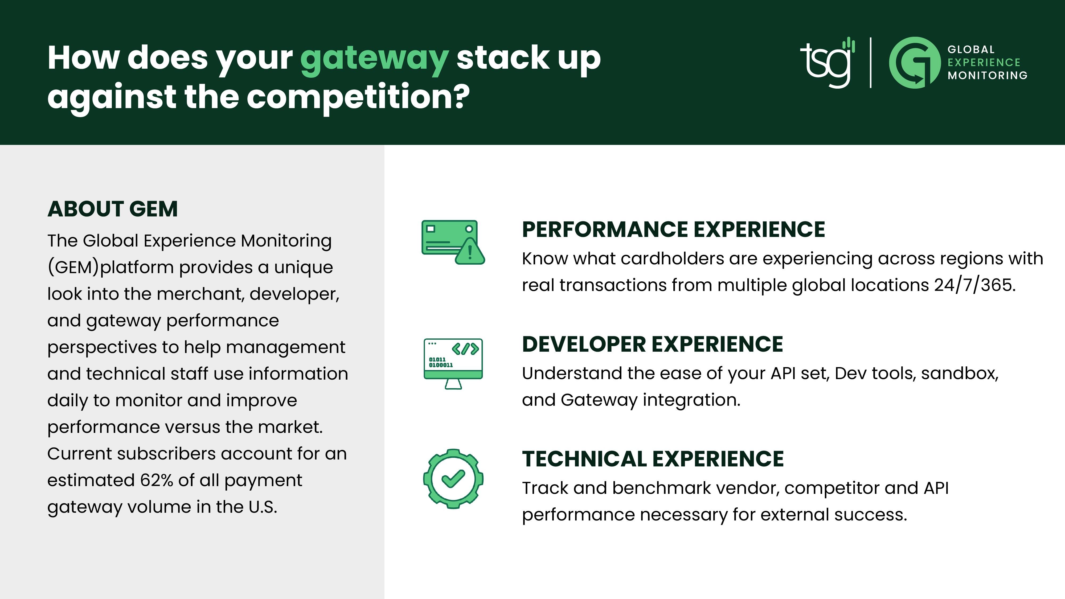

About TSG
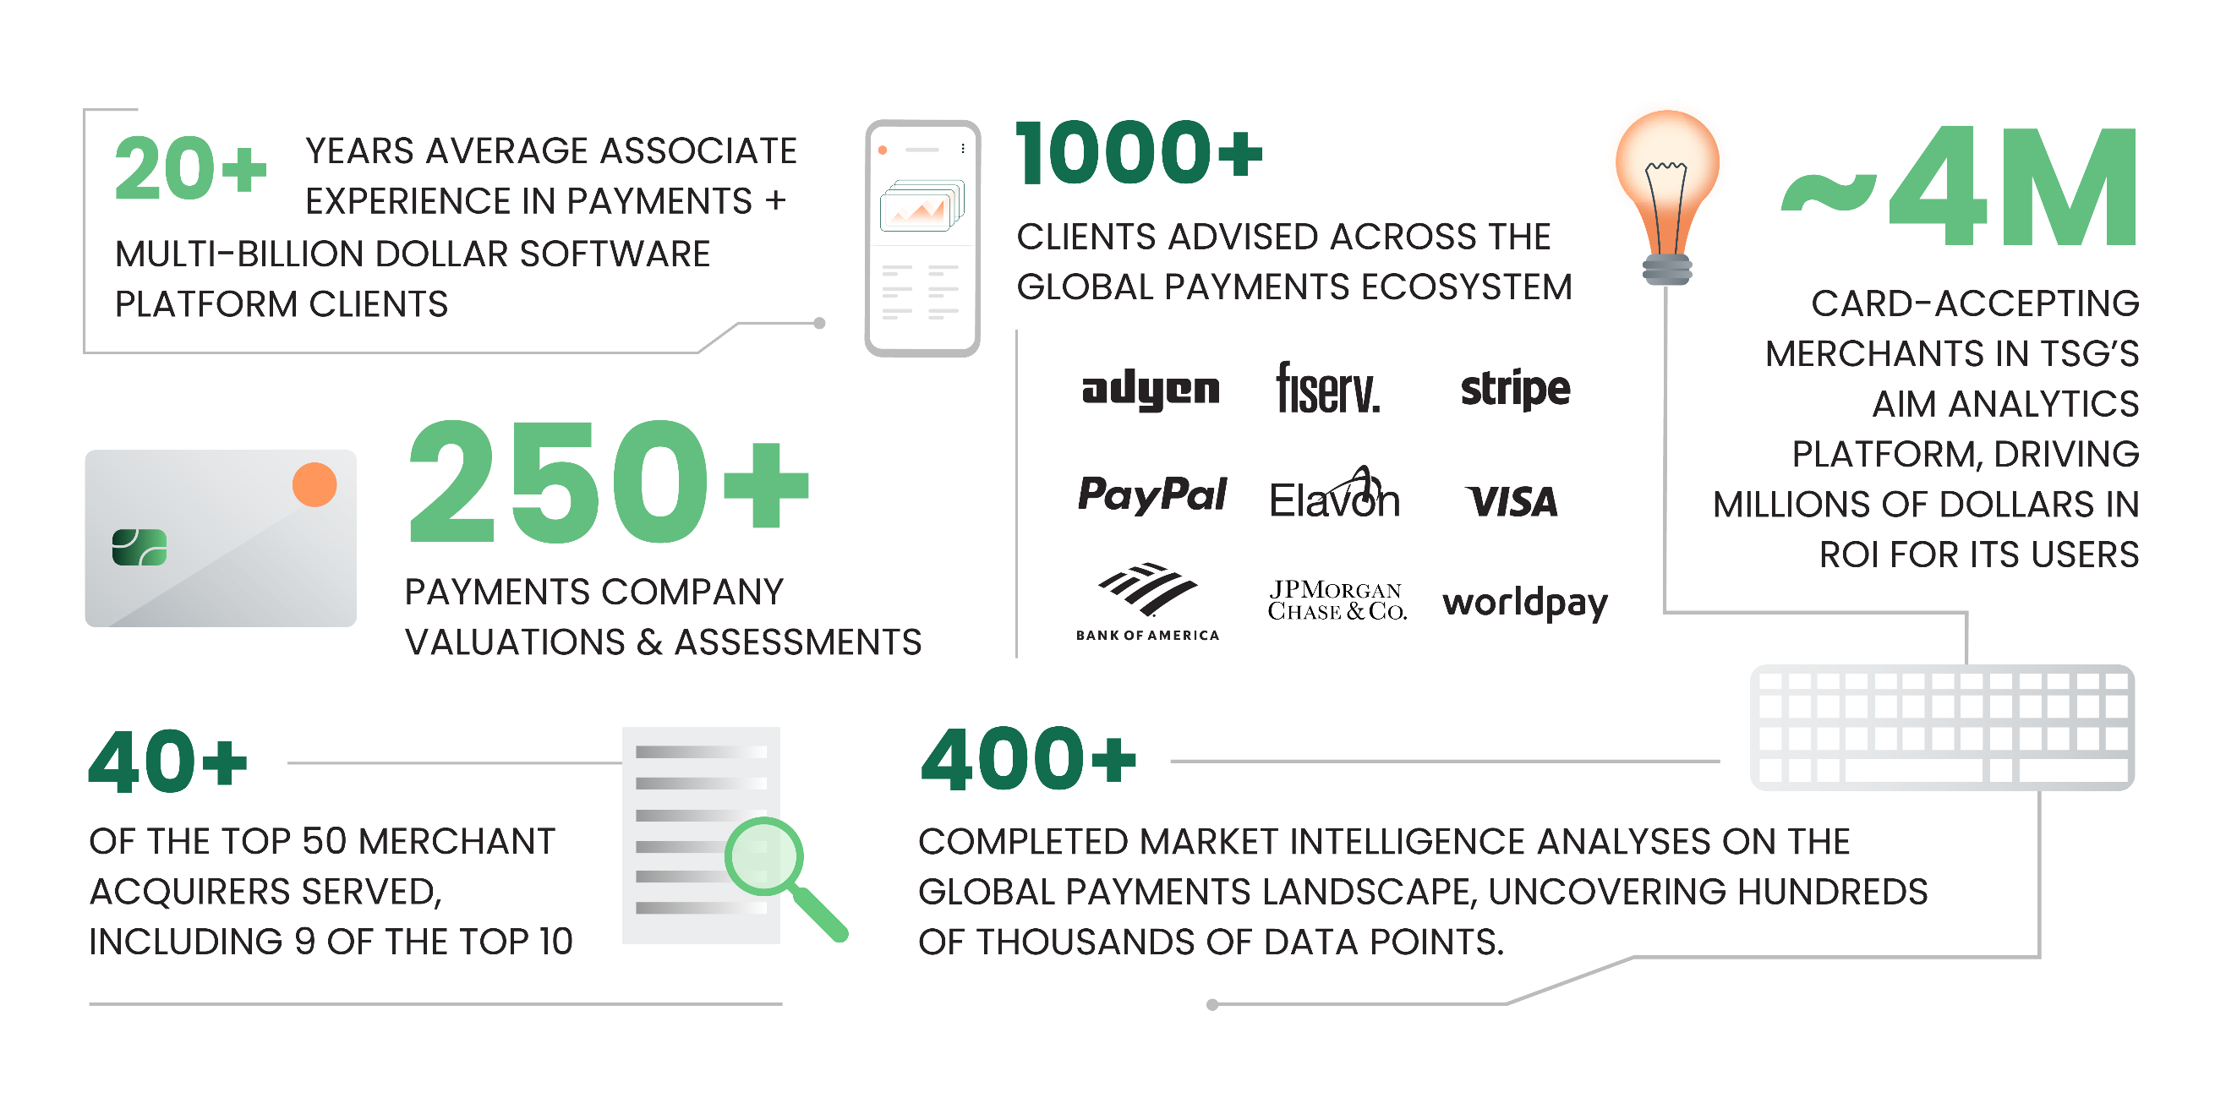

TSG (The Strawhecker Group) is a fast-growing analytics and consulting firm. The company serves the entire payments ecosystem, from fintech startups to Fortune 500 companies. The firm provides its clients with advisory services, research and analytics to help them plan and execute their strategic initiatives. Based in Omaha, a recognized payments industry hub, TSG is an established leader in this high-growth, ever-evolving space.

